Sheet1
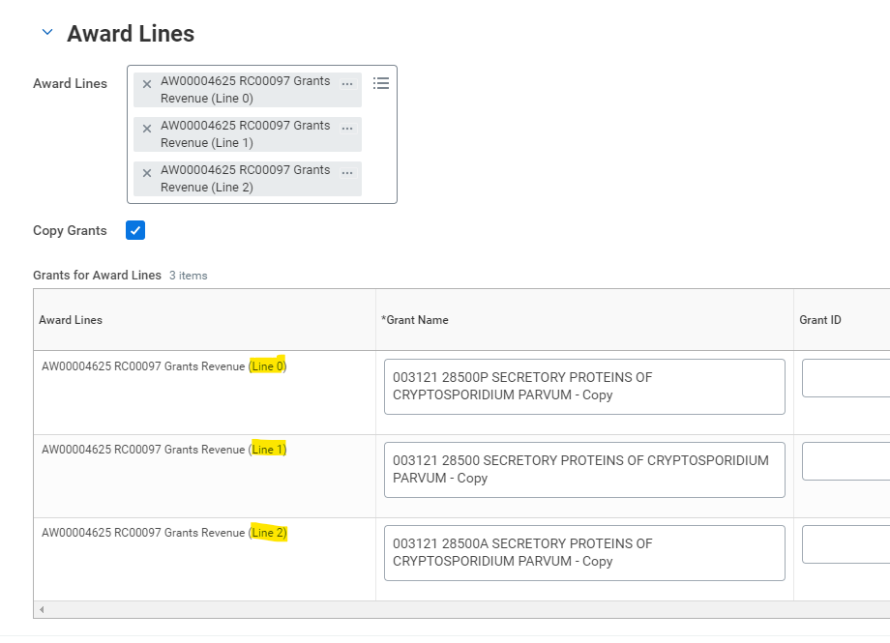
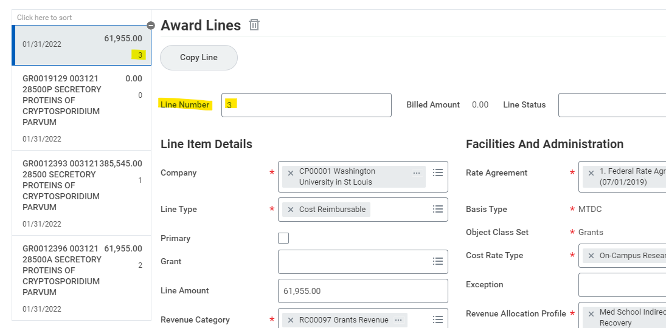
Award and Grant Naming Tool
 |  |  |  |  |  |  |  |  |  |  |  | How to find line number when setting up brand new award using Copy Award: |  | How to find line number when using Correct Award for an existing award:
Use this tool the first few times you set up Awards and Grants, to help understand the individual components that go into each name.

AWARD

 | Enter team name |  |  | Contracts
 | Enter Lead PI's last name: |  |  |  | Ances
 | Enter Lead PI's first initial: |  |  |  | B,
 | Enter the two-digit fiscal year matching the budget start date: |  |  |  |  |  |  |  |  | SFY18 -
 | Enter the brief nickname provided by the department*: |  |  |  |  |  |  |  | ADNI 3
 |  | *If no nickname was provided, use the first six initials of the award title
 | Enter the title of the award:
 | ALZHEIMER'S DISEASE NEUROIMAGING INITIATIVE 3 (ADNI 3)

The Workday name for this Award will be:
Contracts AncesB, SFY18 - ADNI 3 ALZHEIMER'S DISEASE NEUROIMAGING INITIATIVE 3 (ADNI 3)
IMPORTANT NOTE: Include the hyphens between the individual components. This assists with visibility on the award lines page.

AWARD LINES/GRANTS

 | Enter team name |  |  | Contracts
 | Grant Line End Date |  |  | 7.31.22 |  |  |  | MUST USE XX.XX.XX, not XX/XX/XX
 | Grant Cost Center |  |  | CC0003550
 | Enter Line PI's last name: |  |  |  | Benzinger
 | Enter Line PI's first initial: |  |  |  | T,
 | This is the same fiscal as entered above: |  |  |  |  | SFY18 - |  |  |  |  |  | Potential Types - Note: These can be combined if needed (e.g. VC Sub Duke Univ) | Team Names
 | Enter the line number (see screenshots on right): |  |  |  |  |  | L2 -
 | Enter the "type" of this line, if applicable, see options on right: |  |  |  |  |  |  |  |  | VC
 | This is the same nickname as entered above but can add a grant line indentifier: |  |  |  |  |  |  |  |  |  | ADNI 3 |  | Contracts
 | This is the same title as entered above: |  |  |  |  |  |  |  |  |  |  | VC = voluntary committed | DHHS
 | ALZHEIMER'S DISEASE NEUROIMAGING INITIATIVE 3 (ADNI 3) |  |  |  |  |  |  |  |  |  |  | M = mandatory | Private
 | Award Number: |  | AW00002816 |  |  |  |  |  |  |  |  | Sub {Entity} = subaward to {Entity} | Other Gov't
 |  |  |  |  |  |  |  |  |  |  |  | Supp = supplement
The Workday name for this Award will be: |  |  |  |  |  |  |  |  |  |  |  | CFwd = approved carryforward
Contracts 7.31.22 CC0003550 Benzinger T, SFY18 - L2 - VC ADNI 3 ALZHEIMER'S DISEASE NEUROIMAGING INITIATIVE 3 (ADNI 3) AW00002816 |  |  |  |  |  |  |  |  |  |  |  | Unavailable = restricted unobligated balance
IMPORTANT NOTE: Include the hyphens between the individual components. This assists with visibility on the award lines page. |  |  |  |  |  |  |  |  |  |  |  | Restricted = otherwise restricted balance
 |  |  |  |  |  |  |  |  |  |  |  | PP = Per Patient
 |  |  |  |  |  |  |  |  |  |  |  | FF = Fixed Fee
 |  |  |  |  |  |  |  |  |  |  |  | CR = Cost Reimbursable
 |  |  |  |  |  |  |  |  |  |  |  | FP = Fixed Price (able to retain balance)
 |  |  |  |  |  |  |  |  |  |  |  | P&F = Pilot and Feasibility
 |  |  |  |  |  |  |  |  |  |  |  | Depts may recommend other types, especially for projects with many award lines

